Normalized
 | 2025 | 2024 | 2023 | 2022 | 2021 | 2020 | 2019 | 2018 | 2017 | 2016 | 2015 | 2014 | 2013 | flattened
Adani Ports and Special Economic Zone Ltd | 0.249482686 | 0.2242121262 | 0.2004614624 | 0.1964511344 | 0.2004614624 | 0.1890530865 | 0.1907377905 | 0.1879360545 | 0.1900419345 | 0.1810690546 | 0.1759233826 | 0.1709242066 | 0.1695141826 | 0.249482686
Asian Paints Ltd | 0.2254939662 | 0.2597190939 | 0.2338625501 | 0.2132981743 | 0.2153857423 | 0.2070904063 | 0.1966159424 | 0.1943818784 | 0.1924774305 | 0.1887600945 | 0.1820762145 | 0.1787251186 | 0.3681078211 | 0.2242121262
AXIS Bank Ltd | 0.3205881814 | 0.3111208775 | 0.2196158142 | 0.2395209581 | 0.1997472944 | 0.1679027267 | 0.1911406545 | 0.1588565987 | 0.1856287425 | 0.2194143822 | 0.2126389423 | 0.4011976048 | 0.375414309 | 0.2004614624
Bajaj Finserv Ltd | 0.1732132066 | 0.1688183266 | 0.1638740867 | 0.2041604864 | 0.1759600066 | 0.2321778461 | 0.1907927265 | 0.1717482466 | 0.1635078467 | 0.1743119266 | 0.1699170466 | 0.1649728067 | 0.1614935267 | 0.1964511344
Bajaj Finance Ltd | 0.6479334908 | 0.5875771393 | 0.502591148 | 0.3674852131 | 0.2891281657 | 0.3185555495 | 0.2813455657 | 0.2416085261 | 0.2171070703 | 0.5928326833 | 0.4808548042 | 0.4185024447 | 0.4018568368 | 0.2004614624
Bharat Electronics Ltd | 0.1687817026 | 0.1654306067 | 0.1629401747 | 0.1734878866 | 0.1712355106 | 0.1691662546 | 0.1696240546 | 0.1661264627 | 0.1663278947 | 0.1656503507 | 0.4294896446 | 0.373198557 | 0.3639326851 | 0.1890530865
Bharti Airtel Ltd | 0.2580710139 | 0.1788899266 | 0.1821311505 | 0.1694226226 | 0.1048178872 | 0.03933417569 | 0.1572085187 | 0.1604863667 | 0.1728652786 | 0.1832848065 | 0.1766192386 | 0.1682872787 | 0.1664377667 | 0.1907377905
HCL Technologies Ltd | 0.2728121738 | 0.2614037979 | 0.255782014 | 0.24658939 | 0.2306579502 | 0.2300719662 | 0.2901353257 | 0.2693328938 | 0.2658169899 | 0.2281308942 | 0.250288414 | 0.3237927814 | 0.2601952059 | 0.1879360545
HDFC Bank Ltd | 0.3246351334 | 0.3202768774 | 0.3061033896 | 0.2805398378 | 0.2609459979 | 0.246021718 | 0.3065428775 | 0.2850262777 | 0.2637843579 | 0.247450054 | 0.2352908861 | 0.2219414382 | 0.2081525023 | 0.1900419345
Hindustan Unilever Ltd | 0.2384405501 | 0.2355472541 | 0.2343203501 | 0.2246516142 | 0.2177663023 | 0.2125290703 | 0.2066509183 | 0.1995458624 | 0.1933014705 | 0.1904081745 | 0.1923675585 | 0.1888333425 | 0.1878628065 | 0.1810690546
ICICI Bank Ltd | 0.2857221337 | 0.2689117178 | 0.2430551741 | 0.2203482942 | 0.2045816624 | 0.1820945265 | 0.1674083027 | 0.1772235346 | 0.1844567745 | 0.1873317585 | 0.1942170704 | 0.3306048454 | 0.3079712135 | 0.1759233826
Infosys Ltd | 0.2732699738 | 0.2715303338 | 0.2608178139 | 0.251423758 | 0.2388067901 | 0.2267025582 | 0.2202384222 | 0.2854657657 | 0.2703949898 | 0.2635279899 | 0.3536962772 | 0.496951052 | 0.4576168763 | 0.1709242066
ITC Ltd | 0.2062663663 | 0.1854456225 | 0.1837609185 | 0.1781025106 | 0.1750444066 | 0.1782490066 | 0.1742020546 | 0.1722976066 | 0.1709242066 | 0.1695691186 | 0.1774249666 | 0.1757585746 | 0.1729568386 | 0.1695141826
Kotak Mahindra Bank Ltd | 0.3592448131 | 0.3229138054 | 0.2926806937 | 0.2666593419 | 0.247907854 | 0.2372685821 | 0.2245600542 | 0.2152575583 | 0.2046365984 | 0.1900053105 | 0.2275998462 | 0.2143053343 | 0.2091596623 | 0.2254939662
Larsen & Toubro Ltd | 0.3555641012 | 0.3273636214 | 0.2917834057 | 0.2683440459 | 0.3063597575 | 0.2798806058 | 0.2715486458 | 0.251570254 | 0.2342837261 | 0.2383489901 | 0.248805142 | 0.251863246 | 0.3094544855 | 0.2597190939
Mahindra & Mahindra Ltd | 0.3661484371 | 0.3398524053 | 0.3238477174 | 0.2631800619 | 0.1850244465 | 0.1535461188 | 0.244630006 | 0.2815469977 | 0.2176747423 | 0.2588950539 | 0.248274094 | 0.2943104616 | 0.2777014778 | 0.2338625501
Maruti Suzuki India Ltd | 1 | 0.9410536725 | 0.6532073468 | 0.3906315809 | 0.4215239246 | 0.499624604 | 0.619220275 | 0.6331740189 | 0.6107601311 | 0.4886923401 | 0.3862550129 | 0.3283890934 | 0.3051328536 | 0.2132981743
NTPC Ltd | 0.1926971745 | 0.1947481184 | 0.1881741105 | 0.1841271585 | 0.1826805105 | 0.1769122306 | 0.1808676226 | 0.1749711586 | 0.1792561666 | 0.1794392866 | 0.1776263986 | 0.1807760626 | 0.1834129905 | 0.2153857423
Power Grid Corporation of India Ltd | 0.1860132945 | 0.1872401985 | 0.1959200864 | 0.1996191104 | 0.1975864784 | 0.1941621344 | 0.1905729825 | 0.1841637825 | 0.1815268545 | 0.1763079346 | 0.1731216466 | 0.1727920306 | 0.1725173506 | 0.2070904063
Reliance Industries Ltd | 0.24970243 | 0.3438810452 | 0.3359885733 | 0.3218150854 | 0.2931751177 | 0.2709260378 | 0.2777747258 | 0.2669523339 | 0.3406581333 | 0.3399439653 | 0.3021479976 | 0.2956289256 | 0.2848248457 | 0.1966159424
State Bank of India | 0.3146001575 | 0.2931018697 | 0.2696258858 | 0.2280393342 | 0.2014319984 | 0.1960116464 | 0.1601750627 | 0.1456719588 | 0.1560182388 | 0.1846582065 | 0.1971286784 | 0.503103884 | 0.6440513468 | 0.1943818784
Sun Pharmaceutical Industries Ltd | 0.2389532861 | 0.2285154462 | 0.2200919262 | 0.1803548866 | 0.1776080866 | 0.1842004065 | 0.1757768866 | 0.1719313666 | 0.2085553663 | 0.1900602465 | 0.1900602465 | 0.1832848065 | 0.2081891263 | 0.1924774305
Tata Motors Ltd | 0.2996575656 | 0.3053892216 | 0.1669688147 | 0.1007343112 | 0.0877144793 | 0.09157831127 | 0 | 0.2038858064 | 0.1956087824 | 0.2181508543 | 0.2349795821 | 0.2351077661 | 0.2121078943 | 0.1887600945
Tata Steel Ltd | 0.1604680547 | 0.1488216228 | 0.1685802707 | 0.7635737699 | 0.2722445018 | 0.1771685986 | 0.3161200535 | 0.3900272849 | 0.07691039938 | 0.1427786629 | 0.07810067938 | 0.2198904942 | 0.01895291985 | 0.1820762145
Tata Consultancy Services Ltd | 0.4011792928 | 0.3859620209 | 0.3663864931 | 0.3451995092 | 0.3142339175 | 0.3132816935 | 0.3075317255 | 0.4011792928 | 0.3997509568 | 0.381017781 | 0.3410426853 | 0.3343038693 | 0.2854474537 | 0.1787251186
Tech Mahindra Ltd | 0.2431833581 | 0.2041238624 | 0.255727078 | 0.2704682378 | 0.247358494 | 0.2394110861 | 0.2428354301 | 0.2335695581 | 0.2133897343 | 0.2171803183 | 0.2044168544 | 0.3876101009 | 0.3324909813 | 0.3681078211
...
 | 2025 | 2024 | 2023 | 2022 | 2021 | 2020 | 2019 | 2018 | 2017 | 2016 | 2015 | 2014 | 2013 | flattened
 |  |  |  |  |  |  |  |  |  |  |  |  |  | 0.2395209581
 |  |  |  |  |  |  |  |  |  |  |  |  |  | 0.1997472944
 |  |  |  |  |  |  |  |  |  |  |  |  |  | 0.1679027267
Global min | 0 |  |  |  |  |  |  |  |  |  |  |  |  | 0.1911406545
Global Max | 1 |  |  |  |  |  |  |  |  |  |  |  |  | 0.1588565987
 |  |  |  |  |  |  |  |  |  |  |  |  |  | 0.1856287425
 |  |  |  |  |  |  |  |  |  |  |  |  |  | 0.2194143822
 |  |  |  |  |  |  |  |  |  |  |  |  |  | 0.2126389423
 |  |  |  |  |  |  |  |  |  |  |  |  |  | 0.4011976048
 |  |  |  |  |  |  |  |  |  |  |  |  |  | 0.375414309
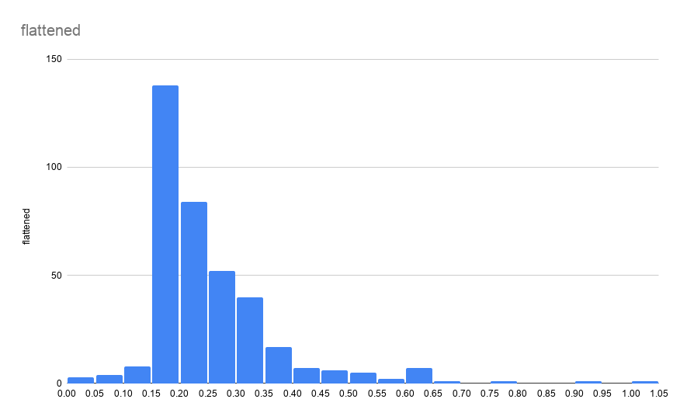
 |  |  |  |  |  |  |  |  |  |  |  |  |  | 0.1732132066
 |  |  |  |  |  |  |  |  |  |  |  |  |  | 0.1688183266
 |  |  |  |  |  |  |  |  |  |  |  |  |  | 0.1638740867
 |  |  |  |  |  |  |  |  |  |  |  |  |  | 0.2041604864
 |  |  |  |  |  |  |  |  |  |  |  |  |  | 0.1759600066
 |  |  |  |  |  |  |  |  |  |  |  |  |  | 0.2321778461
 |  |  |  |  |  |  |  |  |  |  |  |  |  | 0.1907927265
 |  |  |  |  |  |  |  |  |  |  |  |  |  | 0.1717482466
 |  |  |  |  |  |  |  |  |  |  |  |  |  | 0.1635078467
 |  |  |  |  |  |  |  |  |  |  |  |  |  | 0.1743119266
 |  |  |  |  |  |  |  |  |  |  |  |  |  | 0.1699170466
 |  |  |  |  |  |  |  |  |  |  |  |  |  | 0.1649728067
 |  |  |  |  |  |  |  |  |  |  |  |  |  | 0.1614935267
 |  |  |  |  |  |  |  |  |  |  |  |  |  | 0.6479334908
 |  |  |  |  |  |  |  |  |  |  |  |  |  | 0.5875771393
 |  |  |  |  |  |  |  |  |  |  |  |  |  | 0.502591148
 |  |  |  |  |  |  |  |  |  |  |  |  |  | 0.3674852131
 |  |  |  |  |  |  |  |  |  |  |  |  |  | 0.2891281657
 |  |  |  |  |  |  |  |  |  |  |  |  |  | 0.3185555495
 |  |  |  |  |  |  |  |  |  |  |  |  |  | 0.2813455657
 |  |  |  |  |  |  |  |  |  |  |  |  |  | 0.2416085261
 |  |  |  |  |  |  |  |  |  |  |  |  |  | 0.2171070703
 |  |  |  |  |  |  |  |  |  |  |  |  |  | 0.5928326833
 |  |  |  |  |  |  |  |  |  |  |  |  |  | 0.4808548042
 |  |  |  |  |  |  |  |  |  |  |  |  |  | 0.4185024447
 |  |  |  |  |  |  |  |  |  |  |  |  |  | 0.4018568368
 |  |  |  |  |  |  |  |  |  |  |  |  |  | 0.1687817026
 |  |  |  |  |  |  |  |  |  |  |  |  |  | 0.1654306067
 |  |  |  |  |  |  |  |  |  |  |  |  |  | 0.1629401747
 |  |  |  |  |  |  |  |  |  |  |  |  |  | 0.1734878866
 |  |  |  |  |  |  |  |  |  |  |  |  |  | 0.1712355106
 |  |  |  |  |  |  |  |  |  |  |  |  |  | 0.1691662546
 |  |  |  |  |  |  |  |  |  |  |  |  |  | 0.1696240546
 |  |  |  |  |  |  |  |  |  |  |  |  |  | 0.1661264627
 |  |  |  |  |  |  |  |  |  |  |  |  |  | 0.1663278947
 |  |  |  |  |  |  |  |  |  |  |  |  |  | 0.1656503507
 |  |  |  |  |  |  |  |  |  |  |  |  |  | 0.4294896446
 |  |  |  |  |  |  |  |  |  |  |  |  |  | 0.373198557
...

